SO and Team Affiliation
 | As a Package Administrator:
 | When I select the State Medicaid Agency from the state below, | Then the State Officer field populates with the name of the State Officer listed next to it, below, | And the Team Affiliation field populates to the team color listed on the same row, below. | *Once SO is autopopulated, it should be editable because SO's sometimes work on packages that are not from their assigned states or teams. | *For circumstances where an SO is temporarily assigned to take all (or most) of another SO's submissions while they are on leave, we need to be able to change the auto-assignments to the substitute SO. | *Once Team Affiliation is autopopulated, it should NOT be editable. The team color always follows the state of the submission
AK | AK | Javina Wilkinson | Orange
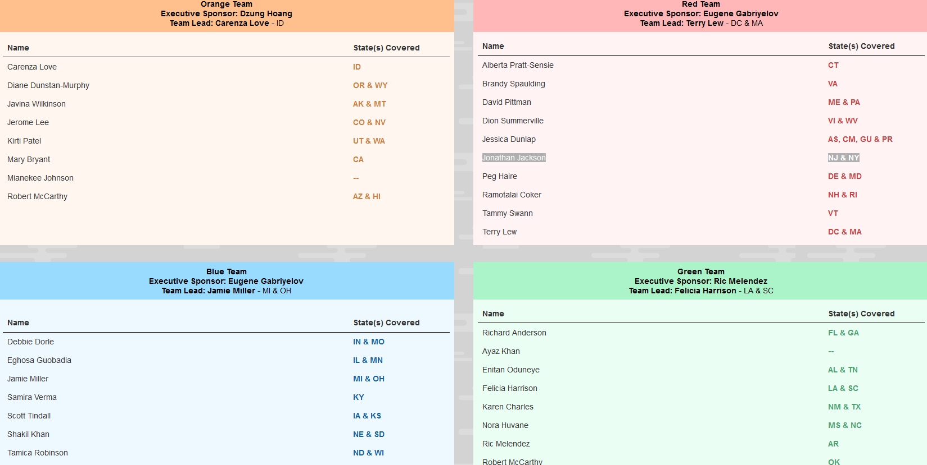
AZ | AZ | Robert McCarthy | Orange
CA | CA | Mary Bryant | Orange
CO | CO | Jerome Lee | Orange
 | HI | Robert McCarthy | Orange
 | ID | Carenza Love | Orange
 | MT | Javina Wilkinson | Orange
 | NV | Jerome Lee | Orange
 | OR | Diane Dunstan-Murphy | Orange
 | UT | Kirti Patel | Orange
 | WA | Kirti Patel | Orange
 | WY | Diane Dunstan-Murphy | Orange
 | -- | Mianekee Johnson | Orange
AS - Chaveal Simmons | AS | Jessica Dunlap | Red
 | CM | Jessica Dunlap | Red
 | CT | Alberta Pratt-Sensie | Red
 | DC | Terry Lew | Red
 | DE | Peg Haire | Red
 | GU | Jessica Dunlap | Red
 | MD | Peg Haire | Red
 | MA | Terry Lew | Red
 | ME | David Pittman | Red
 | NH | Ramotalai Coker | Red
 | NJ | Jonathan Jackson | Red
 | NY | Jonathan Jackson | Red
 | PA | David Pittman | Red
 | PR | Jessica Dunlap | Red
 | RI | Ramotalai Coker | Red
 | VA | Brandy Spaulding | Red
 | VI | Dion Summerville | Red
VT | VT | Tammy Swann | Red
 | WV | Dion Summerville | Red
 | IA | Scott Tindall | Blue
 | IL | Eghosa Guobadia | Blue
 | IN | Debbie Dorie | Blue
 | KS | Scott Tindall | Blue
 | KY | Samira Verma | Blue
 | MI | Jamie Miller | Blue
 | MN | Eghosa Guobadia | Blue
 | MO | Debbie Dorie | Blue
 | ND | Tamica Robinson | Blue
 | NE | Shakil Khan | Blue
 | OH | Jamie Miller | Blue
 | SD | Shakil Khan | Blue
 | WI | Tamica Robinson | Blue
 | FL | Richard Anderson | Green
 | GA | Richard Anderson | Green
AL | AL | Enitan Oduneye | Green
 | TN | Enitan Oduneye | Green
 | LA | Felicia Harrison | Green
 | SC | Felicia Harrison | Green
 | NM | Karen Charles | Green
 | TX | Karen Charles | Green
 | MS | Nora Huvane | Green
 | NC | Nora Huvane | Green
 | AR | Ric Melendez | Green
 | OK | Robert McCarthy | Green
 | -- | Ayaz Khan | Green

